Q1
Question 1:

Write a Python script that scrapes the Exhibitor list from the following site (for SPS - Smart Production Solutions event):
Aussteller & Produkte - SPS - Mesago - https://sps.mesago.com/nuernberg/en/exhibitor-search.html

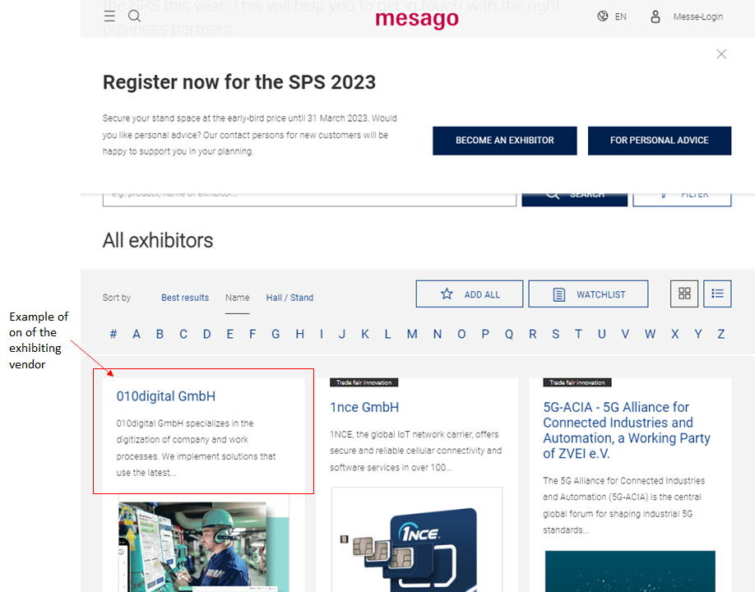
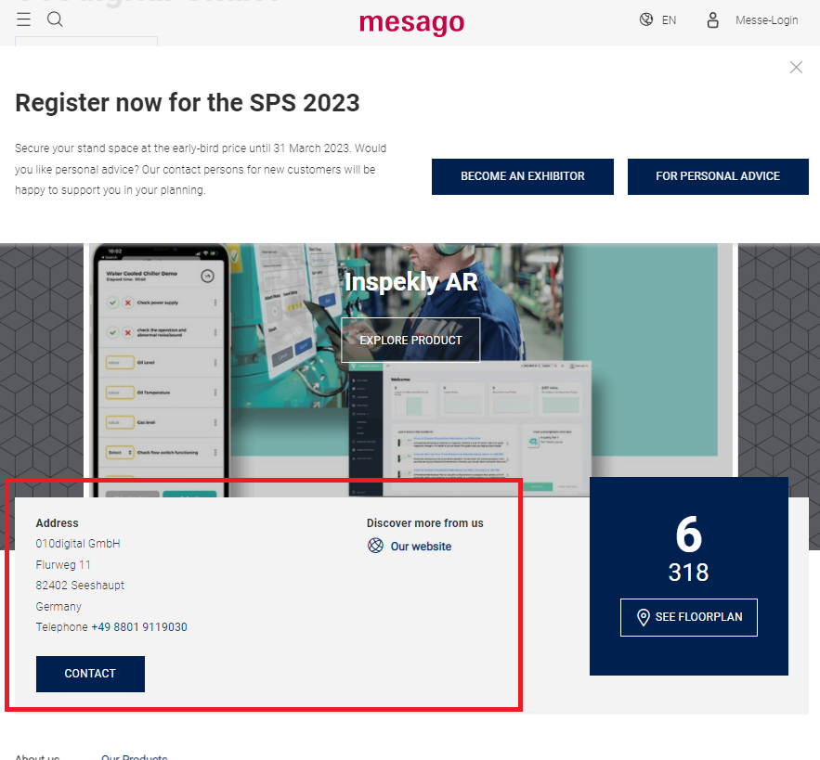

The extract output should be in the following Excel format (which would contain about 1000~ exhibitors):

Please save the solution you provided as "SPS Python Scrape - 2023-yourname.xlsx" when you submit the solution.

Notes:
1) Walk us through the challenges you faced while scraping the data (if any) and how you solved them? Please list the top 3 briefly in the PPT presentation
2) Based on your experience of scraping the site, what do you think is the most efficient method of scraping the above data?

Optional questions (if you have time):
1) List the Top 5 Challenges you faced in your past web scraping programming projects and briefly explain how you overcame them.
2) In your own words, please explain how would you make the script your wrote above to be as scalable, easy to to maintain and and re-usable as possible.

